Peak 1
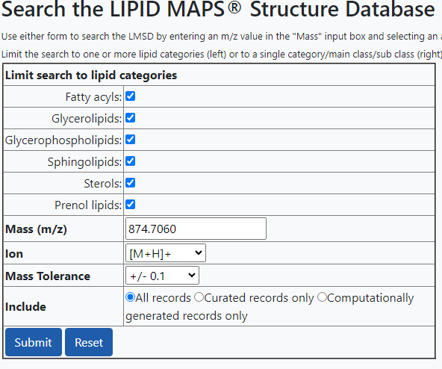
LM_ID | Name | Systematic Name | Input m/z | Exact m/z | Formula | Ion | Status
LMGP01010663 | PC(16:0/26:0) | 1-hexadecanoyl-2-hexacosanoyl-sn-glycero-3-phosphocholine | 874.706 | 874.7259 | C50H101NO8P | M+H | Curated
LMGP01010825 | PC(18:0/24:0) | 1-octadecanoyl-2-tetracosanoyl-sn-glycero-3-phosphocholine | 874.706 | 874.7259 | C50H101NO8P | M+H | Curated
LMGP01011025 | PC(20:0/22:0) | 1-eicosanoyl-2-docosanoyl-sn-glycero-3-phosphocholine | 874.706 | 874.7259 | C50H101NO8P | M+H | Curated
LMGP01011072 | PC(21:0/21:0) | 1,2-diheneicosanoyl-sn-glycero-3-phosphocholine | 874.706 | 874.7259 | C50H101NO8P | M+H | Curated
LMGP01011150 | PC(24:0/18:0) | 1-tetracosanoyl-2-octadecanoyl-sn-glycero-3-phosphocholine | 874.706 | 874.7259 | C50H101NO8P | M+H | Curated
LMGP01011994 | PC(22:0/20:0) | 1-docosanoyl-2-eicosanoyl-glycero-3-phosphocholine | 874.706 | 874.7259 | C50H101NO8P | M+H | Computationally generated
LMGP03010525 | PS(20:0/22:1(11Z)) | 1-eicosanoyl-2-(11Z-docosenoyl)-glycero-3-phosphoserine | 874.706 | 874.6532 | C48H93NO10P | M+H | Computationally generated
LMGP03010553 | PS(20:1(11Z)/22:0) | 1-(11Z-eicosenoyl)-2-docosanoyl-glycero-3-phosphoserine | 874.706 | 874.6532 | C48H93NO10P | M+H | Computationally generated
LMGP03010744 | PS(22:1(11Z)/20:0) | 1-(11Z-docosenoyl)-2-eicosanoyl-glycero-3-phosphoserine | 874.706 | 874.6532 | C48H93NO10P | M+H | Computationally generated
LMGP03010944 | PS(22:0/20:1(11Z)) | 1-docosanoyl-2-(11Z-eicosenoyl)-glycero-3-phosphoserine | 874.706 | 874.6532 | C48H93NO10P | M+H | Computationally generated

Peak 1-1
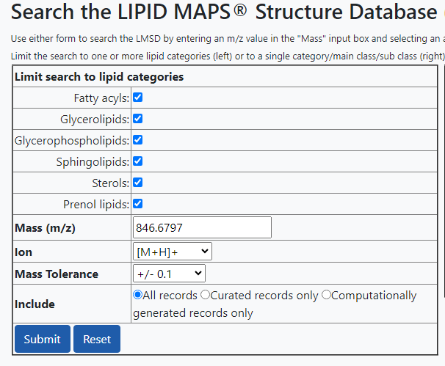
LM_ID | Name | Systematic Name | Input m/z | Exact m/z | Formula | Ion | Status
LMGL07010015 | DGCC(22:6/20:5) | 1-(4Z,7Z,10Z,13Z,16Z,19Z-eicosahexaenoyl)-2-(5Z,8Z,11Z,14Z,17Z-eicosapentenoyl)-sn-glycero-3-O-carboxy- (hydroxymethyl)-choline | 846.6797 | 846.5878 | C52H80NO8 | M+H | Curated
LMGP01010518 | PC(14:0/26:0) | 1-tetradecanoyl-2-hexacosanoyl-sn-glycero-3-phosphocholine | 846.6797 | 846.6946 | C48H97NO8P | M+H | Curated
LMGP01010657 | PC(16:0/24:0) | 1-hexadecanoyl-2-tetracosanoyl-sn-glycero-3-phosphocholine | 846.6797 | 846.6946 | C48H97NO8P | M+H | Curated
LMGP01010721 | PC(17:0/23:0) | 1-heptadecanoyl-2-tricosanoyl-sn-glycero-3-phosphocholine | 846.6797 | 846.6946 | C48H97NO8P | M+H | Curated
LMGP01010809 | PC(18:0/22:0) | 1-octadecanoyl-2-docosanoyl-sn-glycero-3-phosphocholine | 846.6797 | 846.6946 | C48H97NO8P | M+H | Curated
LMGP01011014 | PC(20:0/20:0) | 1,2-dieicosanoyl-sn-glycero-3-phosphocholine | 846.6797 | 846.6946 | C48H97NO8P | M+H | Curated
LMGP01011088 | PC(22:0/18:0) | 1-docosanoyl-2-octadecanoyl-sn-glycero-3-phosphocholine | 846.6797 | 846.6946 | C48H97NO8P | M+H | Curated
LMGP01011148 | PC(24:0/16:0) | 1-tetracosanoyl-2-hexadecanoyl-sn-glycero-3-phosphocholine | 846.6797 | 846.6946 | C48H97NO8P | M+H | Curated
LMGP01011750 | PC(19:0/21:0) | 1-nonadecanoyl-2-heneicosanoyl-glycero-3-phosphocholine | 846.6797 | 846.6946 | C48H97NO8P | M+H | Computationally generated
LMGP01011786 | PC(19:1(9Z)/22:6(4Z,7Z,10Z,13Z,16Z,19Z)) | 1-(9Z-nonadecenoyl)-2-(4Z,7Z,10Z,13Z,16Z,19Z-docosahexaenoyl)-glycero-3-phosphocholine | 846.6797 | 846.6007 | C49H85NO8P | M+H | Computationally generated
LMGP01011968 | PC(21:0/19:0) | 1-heneicosanoyl-2-nonadecanoyl-glycero-3-phosphocholine | 846.6797 | 846.6946 | C48H97NO8P | M+H | Computationally generated
LMGP01012114 | PC(22:6(4Z,7Z,10Z,13Z,16Z,19Z)/19:1(9Z)) | 1-(4Z,7Z,10Z,13Z,16Z,19Z-docosahexaenoyl)-2-(9Z-nonadecenoyl)-glycero-3-phosphocholine | 846.6797 | 846.6007 | C49H85NO8P | M+H | Computationally generated
LMGP01020120 | PC(O-19:0/22:0) | 1-nonadecyl-2-docosanoyl-sn-glycero-3-phosphocholine | 846.6797 | 846.731 | C49H101NO7P | M+H | Curated
LMGP01020240 | PC(O-20:0/21:0) | 1-eicosyl-2-heneicosanoyl-glycero-3-phosphocholine | 846.6797 | 846.731 | C49H101NO7P | M+H | Computationally generated
LMGP01030104 | PC(P-20:0/22:6(4Z,7Z,10Z,13Z,16Z,19Z)) | 1-(1Z-eicosenyl)-2-(4Z,7Z,10Z,13Z,16Z,19Z-docosahexaenoyl)-glycero-3-phosphocholine | 846.6797 | 846.6371 | C50H89NO7P | M+H | Computationally generated
LMGP02011012 | PE(21:0/22:0) | 1-heneicosanoyl-2-docosanoyl-glycero-3-phosphoethanolamine | 846.6797 | 846.6946 | C48H97NO8P | M+H | Computationally generated
LMGP02011035 | PE(22:0/21:0) | 1-docosanoyl-2-heneicosanoyl-glycero-3-phosphoethanolamine | 846.6797 | 846.6946 | C48H97NO8P | M+H | Computationally generated
LMGP02011070 | PE(22:1(11Z)/22:6(4Z,7Z,10Z,13Z,16Z,19Z)) | 1-(11Z-docosenoyl)-2-(4Z,7Z,10Z,13Z,16Z,19Z-docosahexaenoyl)-glycero-3-phosphoethanolamine | 846.6797 | 846.6007 | C49H85NO8P | M+H | Computationally generated
LMGP02011158 | PE(22:6(4Z,7Z,10Z,13Z,16Z,19Z)/22:1(11Z)) | 1-(4Z,7Z,10Z,13Z,16Z,19Z-docosahexaenoyl)-2-(11Z-docosenoyl)-glycero-3-phosphoethanolamine | 846.6797 | 846.6007 | C49H85NO8P | M+H | Computationally generated
LMGP03010320 | PS(18:0/22:1(11Z)) | 1-octadecanoyl-2-(11Z-docosenoyl)-glycero-3-phosphoserine | 846.6797 | 846.6219 | C46H89NO10P | M+H | Computationally generated
LMGP03010505 | PS(19:1(9Z)/21:0) | 1-(9Z-nonadecenoyl)-2-heneicosanoyl-glycero-3-phosphoserine | 846.6797 | 846.6219 | C46H89NO10P | M+H | Computationally generated
LMGP03010547 | PS(20:1(11Z)/20:0) | 1-(11Z-eicosenoyl)-2-eicosanoyl-glycero-3-phosphoserine | 846.6797 | 846.6219 | C46H89NO10P | M+H | Computationally generated
LMGP03010691 | PS(21:0/19:1(9Z)) | 1-heneicosanoyl-2-(9Z-nonadecenoyl)-glycero-3-phosphoserine | 846.6797 | 846.6219 | C46H89NO10P | M+H | Computationally generated
LMGP03010736 | PS(22:1(11Z)/18:0) | 1-(11Z-docosenoyl)-2-octadecanoyl-glycero-3-phosphoserine | 846.6797 | 846.6219 | C46H89NO10P | M+H | Computationally generated
LMGP03010945 | PS(22:0/18:1(9Z)) | 1-docosanoyl-2-(9Z-octadecenoyl)-glycero-3-phosphoserine | 846.6797 | 846.6219 | C46H89NO10P | M+H | Computationally generated
LMGP03010948 | PS(20:0/20:1(11Z)) | 1-eicosanoyl-2-(11Z-eicosenoyl)-glycero-3-phosphoserine | 846.6797 | 846.6219 | C46H89NO10P | M+H | Computationally generated
LMGP03010955 | PS(18:1(9Z)/22:0) | 1-(9Z-octadecenoyl)-2-docosanoyl-glycero-3-phosphoserine | 846.6797 | 846.6219 | C46H89NO10P | M+H | Computationally generated
LMGP03030081 | PS(P-20:0/21:0) | 1-(1Z-eicosenyl)-2-heneicosanoyl-glycero-3-phosphoserine | 846.6797 | 846.6582 | C47H93NO9P | M+H | Computationally generated
LMSP05010179 | Agelasphin-9b | N-(2S-hydroxy-tetracosanoyl)-1-alpha-galactosyl-16-methyl-heptdecasphinganine | 846.6797 | 846.7029 | C48H96NO10 | M+H | Curated

Peak 2
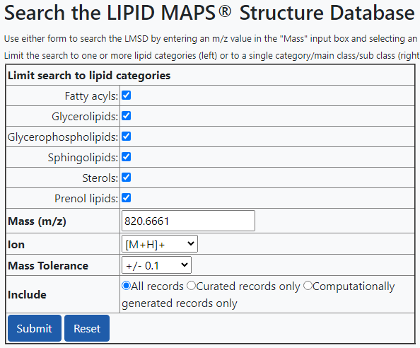
LM_ID | Name | Systematic Name | Input m/z | Exact m/z | Formula | Ion | Status
LMGL07010013 | DGCC(20:5/20:5) | 1,2-(5Z,8Z,11Z,14Z,17Z-eicosapentaenoyl)-sn-glycero-3-O-carboxy- (hydroxymethyl)-choline | 820.6661 | 820.5722 | C50H78NO8 | M+H | Curated
LMGP01010720 | PC(17:0/22:6(4Z,7Z,10Z,13Z,16Z,19Z)) | 1-heptadecanoyl-2-(4Z,7Z,10Z,13Z,16Z,19Z-docosahexaenoyl)-sn-glycero-3-phosphocholine | 820.6661 | 820.5851 | C47H83NO8P | M+H | Curated
LMGP01011579 | PC(17:2(9Z,12Z)/22:4(7Z,10Z,13Z,16Z)) | 1-(9Z,12Z-heptadecadienoyl)-2-(7Z,10Z,13Z,16Z-docosatetraenoyl)-glycero-3-phosphocholine | 820.6661 | 820.5851 | C47H83NO8P | M+H | Computationally generated
LMGP01011780 | PC(19:1(9Z)/20:5(5Z,8Z,11Z,14Z,17Z)) | 1-(9Z-nonadecenoyl)-2-(5Z,8Z,11Z,14Z,17Z-eicosapentaenoyl)-glycero-3-phosphocholine | 820.6661 | 820.5851 | C47H83NO8P | M+H | Computationally generated
LMGP01011943 | PC(20:5(5Z,8Z,11Z,14Z,17Z)/19:1(9Z)) | 1-(5Z,8Z,11Z,14Z,17Z-eicosapentaenoyl)-2-(9Z-nonadecenoyl)-glycero-3-phosphocholine | 820.6661 | 820.5851 | C47H83NO8P | M+H | Computationally generated
LMGP01012076 | PC(22:4(7Z,10Z,13Z,16Z)/17:2(9Z,12Z)) | 1-(7Z,10Z,13Z,16Z-docosatetraenoyl)-2-(9Z,12Z-heptadecadienoyl)-glycero-3-phosphocholine | 820.6661 | 820.5851 | C47H83NO8P | M+H | Computationally generated
LMGP01012104 | PC(22:6(4Z,7Z,10Z,13Z,16Z,19Z)/17:0) | 1-(4Z,7Z,10Z,13Z,16Z,19Z-docosahexaenoyl)-2-heptadecanoyl-glycero-3-phosphocholine | 820.6661 | 820.5851 | C47H83NO8P | M+H | Computationally generated
LMGP01020110 | PC(O-18:0/22:6(4Z,7Z,10Z,13Z,16Z,19Z)) | 1-octadecyl-2-(4Z,7Z,10Z,13Z,16Z,19Z-docosahexaenoyl)-sn-glycero-3-phosphocholine | 820.6661 | 820.6215 | C48H87NO7P | M+H | Curated
LMGP01030098 | PC(P-20:0/20:5(5Z,8Z,11Z,14Z,17Z)) | 1-(1Z-eicosenyl)-2-(5Z,8Z,11Z,14Z,17Z-eicosapentaenoyl)-glycero-3-phosphocholine | 820.6661 | 820.6215 | C48H87NO7P | M+H | Computationally generated
LMGP02010900 | PE(20:2(11Z,14Z)/22:4(7Z,10Z,13Z,16Z)) | 1-(11Z,14Z-eicosadienoyl)-2-(7Z,10Z,13Z,16Z-docosatetraenoyl)-glycero-3-phosphoethanolamine | 820.6661 | 820.5851 | C47H83NO8P | M+H | Computationally generated
LMGP02010959 | PE(20:4(5Z,8Z,11Z,14Z)/22:2(13Z,16Z)) | 1-(5Z,8Z,11Z,14Z-eicosatetraenoyl)-2-(13Z,16Z-docosadienoyl)-glycero-3-phosphoethanolamine | 820.6661 | 820.5851 | C47H83NO8P | M+H | Computationally generated
LMGP02010988 | PE(20:5(5Z,8Z,11Z,14Z,17Z)/22:1(11Z)) | 1-(5Z,8Z,11Z,14Z,17Z-eicosapentaenoyl)-2-(11Z-docosenoyl)-glycero-3-phosphoethanolamine | 820.6661 | 820.5851 | C47H83NO8P | M+H | Computationally generated
LMGP02011064 | PE(22:1(11Z)/20:5(5Z,8Z,11Z,14Z,17Z)) | 1-(11Z-docosenoyl)-2-(5Z,8Z,11Z,14Z,17Z-eicosapentaenoyl)-glycero-3-phosphoethanolamine | 820.6661 | 820.5851 | C47H83NO8P | M+H | Computationally generated
LMGP02011094 | PE(22:2(13Z,16Z)/20:4(5Z,8Z,11Z,14Z)) | 1-(13Z,16Z-docosadienoyl)-2-(5Z,8Z,11Z,14Z-eicosatetraenoyl)-glycero-3-phosphoethanolamine | 820.6661 | 820.5851 | C47H83NO8P | M+H | Computationally generated
LMGP02011123 | PE(22:4(7Z,10Z,13Z,16Z)/20:2(11Z,14Z)) | 1-(7Z,10Z,13Z,16Z-docosatetraenoyl)-2-(11Z,14Z-eicosadienoyl)-glycero-3-phosphoethanolamine | 820.6661 | 820.5851 | C47H83NO8P | M+H | Computationally generated
LMGP02011150 | PE(22:6(4Z,7Z,10Z,13Z,16Z,19Z)/20:0) | 1-(4Z,7Z,10Z,13Z,16Z,19Z-docosahexaenoyl)-2-eicosanoyl-glycero-3-phosphoethanolamine | 820.6661 | 820.5851 | C47H83NO8P | M+H | Computationally generated
LMGP02011176 | PE(20:0/22:6(4Z,7Z,10Z,13Z,16Z,19Z)) | 1-eicosanoyl-2-(4Z,7Z,10Z,13Z,16Z,19Z-docosahexaenoyl)-glycero-3-phosphoethanolamine | 820.6661 | 820.5851 | C47H83NO8P | M+H | Computationally generated
LMGP03010243 | PS(17:0/21:0) | 1-heptadecanoyl-2-heneicosanoyl-glycero-3-phosphoserine | 820.6661 | 820.6062 | C44H87NO10P | M+H | Computationally generated
LMGP03010682 | PS(21:0/17:0) | 1-heneicosanoyl-2-heptadecanoyl-glycero-3-phosphoserine | 820.6661 | 820.6062 | C44H87NO10P | M+H | Computationally generated
LMGP03010705 | PS(22:0/16:0) | 1-docosanoyl-2-hexadecanoyl-glycero-3-phosphoserine | 820.6661 | 820.6062 | C44H87NO10P | M+H | Computationally generated
LMGP03010868 | PS(19:0/19:0) | 1,2-dinonadecanoyl-sn-glycero-3-phosphoserine | 820.6661 | 820.6062 | C44H87NO10P | M+H | Computationally generated
LMGP03010952 | PS(20:0/18:0) | 1-eicosanoyl-2-octadecanoyl-glycero-3-phosphoserine | 820.6661 | 820.6062 | C44H87NO10P | M+H | Computationally generated
LMGP03010962 | PS(18:0/20:0) | 1-octadecanoyl-2-eicosanoyl-glycero-3-phosphoserine | 820.6661 | 820.6062 | C44H87NO10P | M+H | Computationally generated
LMGP03010966 | PS(16:0/22:0) | 1-hexadecanoyl-2-docosanoyl-glycero-3-phosphoserine | 820.6661 | 820.6062 | C44H87NO10P | M+H | Computationally generated
LMGP03020037 | PS(O-18:0/21:0) | 1-octadecyl-2-heneicosanoyl-glycero-3-phosphoserine | 820.6661 | 820.6426 | C45H91NO9P | M+H | Computationally generated
LMGP03020057 | PS(O-20:0/19:0) | 1-eicosyl-2-nonadecanoyl-glycero-3-phosphoserine | 820.6661 | 820.6426 | C45H91NO9P | M+H | Computationally generated
LMGP03040003 | 2,3-bis-O-phytanyl-sn-glycero-3-phospho-L-serine | 2,3-bis-O-phytanyl-sn-glycero-1-phospho-L-serine | 820.6661 | 820.679 | C46H95NO8P | M+H | Curated

Peak 3
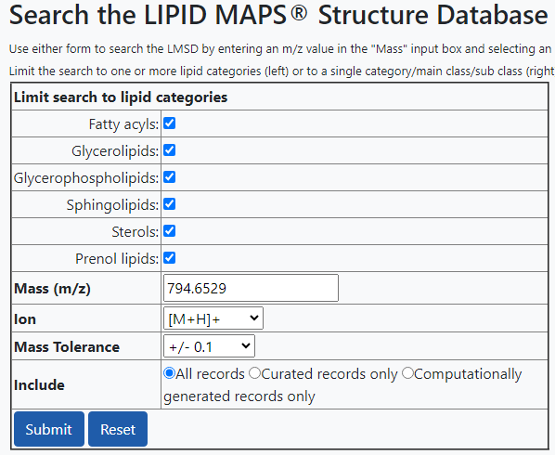
LM_ID | Name | Systematic Name | Input m/z | Exact m/z | Formula | Ion | Status
LMGP01011460 | PC(15:1(9Z)/22:4(7Z,10Z,13Z,16Z)) | 1-(9Z-pentadecenoyl)-2-(7Z,10Z,13Z,16Z-docosatetraenoyl)-glycero-3-phosphocholine | 794.6529 | 794.5694 | C45H81NO8P | M+H | Computationally generated
LMGP01011515 | PC(17:0/20:5(5Z,8Z,11Z,14Z,17Z)) | 1-heptadecanoyl-2-(5Z,8Z,11Z,14Z,17Z-eicosapentaenoyl)-glycero-3-phosphocholine | 794.6529 | 794.5694 | C45H81NO8P | M+H | Computationally generated
LMGP01011543 | PC(17:1(9Z)/20:4(5Z,8Z,11Z,14Z)) | 1-(9Z-heptadecenoyl)-2-(5Z,8Z,11Z,14Z-eicosatetraenoyl)-glycero-3-phosphocholine | 794.6529 | 794.5694 | C45H81NO8P | M+H | Computationally generated
LMGP01011572 | PC(17:2(9Z,12Z)/20:3(8Z,11Z,14Z)) | 1-(9Z,12Z-heptadecadienoyl)-2-(8Z,11Z,14Z-eicosatrienoyl)-glycero-3-phosphocholine | 794.6529 | 794.5694 | C45H81NO8P | M+H | Computationally generated
LMGP01011718 | PC(18:4(6Z,9Z,12Z,15Z)/19:1(9Z)) | 1-(6Z,9Z,12Z,15Z-octadecatetraenoyl)-2-(9Z-nonadecenoyl)-glycero-3-phosphocholine | 794.6529 | 794.5694 | C45H81NO8P | M+H | Computationally generated
LMGP01011772 | PC(19:1(9Z)/18:4(6Z,9Z,12Z,15Z)) | 1-(9Z-nonadecenoyl)-2-(6Z,9Z,12Z,15Z-octadecatetraenoyl)-glycero-3-phosphocholine | 794.6529 | 794.5694 | C45H81NO8P | M+H | Computationally generated
LMGP01011876 | PC(20:3(8Z,11Z,14Z)/17:2(9Z,12Z)) | 1-(8Z,11Z,14Z-eicosatrienoyl)-2-(9Z,12Z-heptadecadienoyl)-glycero-3-phosphocholine | 794.6529 | 794.5694 | C45H81NO8P | M+H | Computationally generated
LMGP01011905 | PC(20:4(5Z,8Z,11Z,14Z)/17:1(9Z)) | 1-(5Z,8Z,11Z,14Z-eicosatetraenoyl)-2-(9Z-heptadecenoyl)-glycero-3-phosphocholine | 794.6529 | 794.5694 | C45H81NO8P | M+H | Computationally generated
LMGP01011934 | PC(20:5(5Z,8Z,11Z,14Z,17Z)/17:0) | 1-(5Z,8Z,11Z,14Z,17Z-eicosapentaenoyl)-2-heptadecanoyl-glycero-3-phosphocholine | 794.6529 | 794.5694 | C45H81NO8P | M+H | Computationally generated
LMGP01012071 | PC(22:4(7Z,10Z,13Z,16Z)/15:1(9Z)) | 1-(7Z,10Z,13Z,16Z-docosatetraenoyl)-2-(9Z-pentadecenoyl)-glycero-3-phosphocholine | 794.6529 | 794.5694 | C45H81NO8P | M+H | Computationally generated
LMGP01020066 | PC(O-16:0/22:5(7Z,10Z,13Z,16Z,19Z)) | 1-hexadecyl-2-(7Z,10Z,13Z,16Z,19Z-docosapentaenoyl)-sn-glycero-3-phosphocholine | 794.6529 | 794.6058 | C46H85NO7P | M+H | Curated
LMGP01020104 | PC(O-18:0/20:5(5Z,8Z,11Z,14Z,17Z)) | 1-octadecyl-2-(5Z,8Z,11Z,14Z,17Z-eicosapentaenoyl)-sn-glycero-3-phosphocholine | 794.6529 | 794.6058 | C46H85NO7P | M+H | Curated
LMGP01020157 | PC(O-18:1(9Z)/20:4(5Z,8Z,11Z,14Z)) | 1-(9Z-octadecenyl)-2-(5Z,8Z,11Z,14Z-eicosatetraenoyl)-sn-glycero-3-phosphocholine | 794.6529 | 794.6058 | C46H85NO7P | M+H | Curated
LMGP01020267 | PC(O-18:1(9Z)/20:4(8Z,11Z,14Z,17Z)) | 1-(9Z-octadecenyl)-2-(8Z,11Z,14Z,17Z-eicosatetraenoyl)-sn-glycero-3-phosphocholine | 794.6529 | 794.6058 | C46H85NO7P | M+H | Curated
LMGP01030012 | PC(P-18:0/20:4(5Z,8Z,11Z,14Z)) | 1-(1Z-octadecenyl)-2-(5Z,8Z,11Z,14Z-eicosatetraenoyl)-sn-glycero-3-phosphocholine | 794.6529 | 794.6058 | C46H85NO7P | M+H | Curated
LMGP01030045 | PC(P-16:0/22:4(7Z,10Z,13Z,16Z)) | 1-(1Z-hexadecenyl)-2-(7Z,10Z,13Z,16Z-docosatetraenoyl)-glycero-3-phosphocholine | 794.6529 | 794.6058 | C46H85NO7P | M+H | Computationally generated
LMGP01030090 | PC(P-20:0/18:4(6Z,9Z,12Z,15Z)) | 1-(1Z-eicosenyl)-2-(6Z,9Z,12Z,15Z-octadecatetraenoyl)-glycero-3-phosphocholine | 794.6529 | 794.6058 | C46H85NO7P | M+H | Computationally generated
LMGP02010652 | PE(18:1(9Z)/22:4(7Z,10Z,13Z,16Z)) | 1-(9Z-octadecenoyl)-2-(7Z,10Z,13Z,16Z-docosatetraenoyl)-glycero-3-phosphoethanolamine | 794.6529 | 794.5694 | C45H81NO8P | M+H | Computationally generated
LMGP02010707 | PE(18:3(6Z,9Z,12Z)/22:2(13Z,16Z)) | 1-(6Z,9Z,12Z-octadecatrienoyl)-2-(13Z,16Z-docosadienoyl)-glycero-3-phosphoethanolamine | 794.6529 | 794.5694 | C45H81NO8P | M+H | Computationally generated
LMGP02010735 | PE(18:3(9Z,12Z,15Z)/22:2(13Z,16Z)) | 1-(9Z,12Z,15Z-octadecatrienoyl)-2-(13Z,16Z-docosadienoyl)-glycero-3-phosphoethanolamine | 794.6529 | 794.5694 | C45H81NO8P | M+H | Computationally generated
LMGP02010765 | PE(18:4(6Z,9Z,12Z,15Z)/22:1(11Z)) | 1-(6Z,9Z,12Z,15Z-octadecatetraenoyl)-2-(11Z-docosenoyl)-glycero-3-phosphoethanolamine | 794.6529 | 794.5694 | C45H81NO8P | M+H | Computationally generated
LMGP02010836 | PE(20:0/20:5(5Z,8Z,11Z,14Z,17Z)) | 1-eicosanoyl-2-(5Z,8Z,11Z,14Z,17Z-eicosapentaenoyl)-glycero-3-phosphoethanolamine | 794.6529 | 794.5694 | C45H81NO8P | M+H | Computationally generated
LMGP02010863 | PE(20:1(11Z)/20:4(5Z,8Z,11Z,14Z)) | 1-(11Z-eicosenoyl)-2-(5Z,8Z,11Z,14Z-eicosatetraenoyl)-glycero-3-phosphoethanolamine | 794.6529 | 794.5694 | C45H81NO8P | M+H | Computationally generated
LMGP02010893 | PE(20:2(11Z,14Z)/20:3(8Z,11Z,14Z)) | 1-(11Z,14Z-eicosadienoyl)-2-(8Z,11Z,14Z-eicosatrienoyl)-glycero-3-phosphoethanolamine | 794.6529 | 794.5694 | C45H81NO8P | M+H | Computationally generated
LMGP02010923 | PE(20:3(8Z,11Z,14Z)/20:2(11Z,14Z)) | 1-(8Z,11Z,14Z-eicosatrienoyl)-2-(11Z,14Z-eicosadienoyl)-glycero-3-phosphoethanolamine | 794.6529 | 794.5694 | C45H81NO8P | M+H | Computationally generated
LMGP02010952 | PE(20:4(5Z,8Z,11Z,14Z)/20:1(11Z)) | 1-(5Z,8Z,11Z,14Z-eicosatetraenoyl)-2-(11Z-eicosenoyl)-glycero-3-phosphoethanolamine | 794.6529 | 794.5694 | C45H81NO8P | M+H | Computationally generated
LMGP02010980 | PE(20:5(5Z,8Z,11Z,14Z,17Z)/20:0) | 1-(5Z,8Z,11Z,14Z,17Z-eicosapentaenoyl)-2-eicosanoyl-glycero-3-phosphoethanolamine | 794.6529 | 794.5694 | C45H81NO8P | M+H | Computationally generated
LMGP02011056 | PE(22:1(11Z)/18:4(6Z,9Z,12Z,15Z)) | 1-(11Z-docosenoyl)-2-(6Z,9Z,12Z,15Z-octadecatetraenoyl)-glycero-3-phosphoethanolamine | 794.6529 | 794.5694 | C45H81NO8P | M+H | Computationally generated
LMGP02011085 | PE(22:2(13Z,16Z)/18:3(6Z,9Z,12Z)) | 1-(13Z,16Z-docosadienoyl)-2-(6Z,9Z,12Z-octadecatrienoyl)-glycero-3-phosphoethanolamine | 794.6529 | 794.5694 | C45H81NO8P | M+H | Computationally generated
LMGP02011086 | PE(22:2(13Z,16Z)/18:3(9Z,12Z,15Z)) | 1-(13Z,16Z-docosadienoyl)-2-(9Z,12Z,15Z-octadecatrienoyl)-glycero-3-phosphoethanolamine | 794.6529 | 794.5694 | C45H81NO8P | M+H | Computationally generated
LMGP02011114 | PE(22:4(7Z,10Z,13Z,16Z)/18:1(9Z)) | 1-(7Z,10Z,13Z,16Z-docosatetraenoyl)-2-(9Z-octadecenoyl)-glycero-3-phosphoethanolamine | 794.6529 | 794.5694 | C45H81NO8P | M+H | Computationally generated

Peak 4

LM_ID | Name | Systematic Name | Input m/z | Exact m/z | Formula | Ion | Status
LMGP01011460 | PC(15:1(9Z)/22:4(7Z,10Z,13Z,16Z)) | 1-(9Z-pentadecenoyl)-2-(7Z,10Z,13Z,16Z-docosatetraenoyl)-glycero-3-phosphocholine | 794.6541 | 794.5694 | C45H81NO8P | M+H | Computationally generated
LMGP01011515 | PC(17:0/20:5(5Z,8Z,11Z,14Z,17Z)) | 1-heptadecanoyl-2-(5Z,8Z,11Z,14Z,17Z-eicosapentaenoyl)-glycero-3-phosphocholine | 794.6541 | 794.5694 | C45H81NO8P | M+H | Computationally generated
LMGP01011543 | PC(17:1(9Z)/20:4(5Z,8Z,11Z,14Z)) | 1-(9Z-heptadecenoyl)-2-(5Z,8Z,11Z,14Z-eicosatetraenoyl)-glycero-3-phosphocholine | 794.6541 | 794.5694 | C45H81NO8P | M+H | Computationally generated
LMGP01011572 | PC(17:2(9Z,12Z)/20:3(8Z,11Z,14Z)) | 1-(9Z,12Z-heptadecadienoyl)-2-(8Z,11Z,14Z-eicosatrienoyl)-glycero-3-phosphocholine | 794.6541 | 794.5694 | C45H81NO8P | M+H | Computationally generated
LMGP01011718 | PC(18:4(6Z,9Z,12Z,15Z)/19:1(9Z)) | 1-(6Z,9Z,12Z,15Z-octadecatetraenoyl)-2-(9Z-nonadecenoyl)-glycero-3-phosphocholine | 794.6541 | 794.5694 | C45H81NO8P | M+H | Computationally generated
LMGP01011772 | PC(19:1(9Z)/18:4(6Z,9Z,12Z,15Z)) | 1-(9Z-nonadecenoyl)-2-(6Z,9Z,12Z,15Z-octadecatetraenoyl)-glycero-3-phosphocholine | 794.6541 | 794.5694 | C45H81NO8P | M+H | Computationally generated
LMGP01011876 | PC(20:3(8Z,11Z,14Z)/17:2(9Z,12Z)) | 1-(8Z,11Z,14Z-eicosatrienoyl)-2-(9Z,12Z-heptadecadienoyl)-glycero-3-phosphocholine | 794.6541 | 794.5694 | C45H81NO8P | M+H | Computationally generated
LMGP01011905 | PC(20:4(5Z,8Z,11Z,14Z)/17:1(9Z)) | 1-(5Z,8Z,11Z,14Z-eicosatetraenoyl)-2-(9Z-heptadecenoyl)-glycero-3-phosphocholine | 794.6541 | 794.5694 | C45H81NO8P | M+H | Computationally generated
LMGP01011934 | PC(20:5(5Z,8Z,11Z,14Z,17Z)/17:0) | 1-(5Z,8Z,11Z,14Z,17Z-eicosapentaenoyl)-2-heptadecanoyl-glycero-3-phosphocholine | 794.6541 | 794.5694 | C45H81NO8P | M+H | Computationally generated
LMGP01012071 | PC(22:4(7Z,10Z,13Z,16Z)/15:1(9Z)) | 1-(7Z,10Z,13Z,16Z-docosatetraenoyl)-2-(9Z-pentadecenoyl)-glycero-3-phosphocholine | 794.6541 | 794.5694 | C45H81NO8P | M+H | Computationally generated
LMGP01020066 | PC(O-16:0/22:5(7Z,10Z,13Z,16Z,19Z)) | 1-hexadecyl-2-(7Z,10Z,13Z,16Z,19Z-docosapentaenoyl)-sn-glycero-3-phosphocholine | 794.6541 | 794.6058 | C46H85NO7P | M+H | Curated
LMGP01020104 | PC(O-18:0/20:5(5Z,8Z,11Z,14Z,17Z)) | 1-octadecyl-2-(5Z,8Z,11Z,14Z,17Z-eicosapentaenoyl)-sn-glycero-3-phosphocholine | 794.6541 | 794.6058 | C46H85NO7P | M+H | Curated
LMGP01020157 | PC(O-18:1(9Z)/20:4(5Z,8Z,11Z,14Z)) | 1-(9Z-octadecenyl)-2-(5Z,8Z,11Z,14Z-eicosatetraenoyl)-sn-glycero-3-phosphocholine | 794.6541 | 794.6058 | C46H85NO7P | M+H | Curated
LMGP01020267 | PC(O-18:1(9Z)/20:4(8Z,11Z,14Z,17Z)) | 1-(9Z-octadecenyl)-2-(8Z,11Z,14Z,17Z-eicosatetraenoyl)-sn-glycero-3-phosphocholine | 794.6541 | 794.6058 | C46H85NO7P | M+H | Curated
LMGP01030012 | PC(P-18:0/20:4(5Z,8Z,11Z,14Z)) | 1-(1Z-octadecenyl)-2-(5Z,8Z,11Z,14Z-eicosatetraenoyl)-sn-glycero-3-phosphocholine | 794.6541 | 794.6058 | C46H85NO7P | M+H | Curated
LMGP01030045 | PC(P-16:0/22:4(7Z,10Z,13Z,16Z)) | 1-(1Z-hexadecenyl)-2-(7Z,10Z,13Z,16Z-docosatetraenoyl)-glycero-3-phosphocholine | 794.6541 | 794.6058 | C46H85NO7P | M+H | Computationally generated
LMGP01030090 | PC(P-20:0/18:4(6Z,9Z,12Z,15Z)) | 1-(1Z-eicosenyl)-2-(6Z,9Z,12Z,15Z-octadecatetraenoyl)-glycero-3-phosphocholine | 794.6541 | 794.6058 | C46H85NO7P | M+H | Computationally generated
LMGP02010652 | PE(18:1(9Z)/22:4(7Z,10Z,13Z,16Z)) | 1-(9Z-octadecenoyl)-2-(7Z,10Z,13Z,16Z-docosatetraenoyl)-glycero-3-phosphoethanolamine | 794.6541 | 794.5694 | C45H81NO8P | M+H | Computationally generated
LMGP02010707 | PE(18:3(6Z,9Z,12Z)/22:2(13Z,16Z)) | 1-(6Z,9Z,12Z-octadecatrienoyl)-2-(13Z,16Z-docosadienoyl)-glycero-3-phosphoethanolamine | 794.6541 | 794.5694 | C45H81NO8P | M+H | Computationally generated
LMGP02010735 | PE(18:3(9Z,12Z,15Z)/22:2(13Z,16Z)) | 1-(9Z,12Z,15Z-octadecatrienoyl)-2-(13Z,16Z-docosadienoyl)-glycero-3-phosphoethanolamine | 794.6541 | 794.5694 | C45H81NO8P | M+H | Computationally generated
LMGP02010765 | PE(18:4(6Z,9Z,12Z,15Z)/22:1(11Z)) | 1-(6Z,9Z,12Z,15Z-octadecatetraenoyl)-2-(11Z-docosenoyl)-glycero-3-phosphoethanolamine | 794.6541 | 794.5694 | C45H81NO8P | M+H | Computationally generated
LMGP02010836 | PE(20:0/20:5(5Z,8Z,11Z,14Z,17Z)) | 1-eicosanoyl-2-(5Z,8Z,11Z,14Z,17Z-eicosapentaenoyl)-glycero-3-phosphoethanolamine | 794.6541 | 794.5694 | C45H81NO8P | M+H | Computationally generated
LMGP02010863 | PE(20:1(11Z)/20:4(5Z,8Z,11Z,14Z)) | 1-(11Z-eicosenoyl)-2-(5Z,8Z,11Z,14Z-eicosatetraenoyl)-glycero-3-phosphoethanolamine | 794.6541 | 794.5694 | C45H81NO8P | M+H | Computationally generated
LMGP02010893 | PE(20:2(11Z,14Z)/20:3(8Z,11Z,14Z)) | 1-(11Z,14Z-eicosadienoyl)-2-(8Z,11Z,14Z-eicosatrienoyl)-glycero-3-phosphoethanolamine | 794.6541 | 794.5694 | C45H81NO8P | M+H | Computationally generated
LMGP02010923 | PE(20:3(8Z,11Z,14Z)/20:2(11Z,14Z)) | 1-(8Z,11Z,14Z-eicosatrienoyl)-2-(11Z,14Z-eicosadienoyl)-glycero-3-phosphoethanolamine | 794.6541 | 794.5694 | C45H81NO8P | M+H | Computationally generated
LMGP02010952 | PE(20:4(5Z,8Z,11Z,14Z)/20:1(11Z)) | 1-(5Z,8Z,11Z,14Z-eicosatetraenoyl)-2-(11Z-eicosenoyl)-glycero-3-phosphoethanolamine | 794.6541 | 794.5694 | C45H81NO8P | M+H | Computationally generated
LMGP02010980 | PE(20:5(5Z,8Z,11Z,14Z,17Z)/20:0) | 1-(5Z,8Z,11Z,14Z,17Z-eicosapentaenoyl)-2-eicosanoyl-glycero-3-phosphoethanolamine | 794.6541 | 794.5694 | C45H81NO8P | M+H | Computationally generated
LMGP02011056 | PE(22:1(11Z)/18:4(6Z,9Z,12Z,15Z)) | 1-(11Z-docosenoyl)-2-(6Z,9Z,12Z,15Z-octadecatetraenoyl)-glycero-3-phosphoethanolamine | 794.6541 | 794.5694 | C45H81NO8P | M+H | Computationally generated
LMGP02011085 | PE(22:2(13Z,16Z)/18:3(6Z,9Z,12Z)) | 1-(13Z,16Z-docosadienoyl)-2-(6Z,9Z,12Z-octadecatrienoyl)-glycero-3-phosphoethanolamine | 794.6541 | 794.5694 | C45H81NO8P | M+H | Computationally generated
LMGP02011086 | PE(22:2(13Z,16Z)/18:3(9Z,12Z,15Z)) | 1-(13Z,16Z-docosadienoyl)-2-(9Z,12Z,15Z-octadecatrienoyl)-glycero-3-phosphoethanolamine | 794.6541 | 794.5694 | C45H81NO8P | M+H | Computationally generated
LMGP02011114 | PE(22:4(7Z,10Z,13Z,16Z)/18:1(9Z)) | 1-(7Z,10Z,13Z,16Z-docosatetraenoyl)-2-(9Z-octadecenoyl)-glycero-3-phosphoethanolamine | 794.6541 | 794.5694 | C45H81NO8P | M+H | Computationally generated

Peak 5
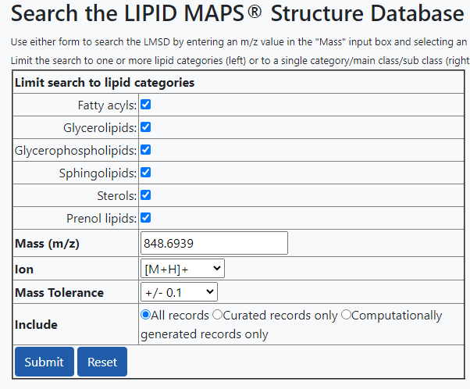
LM_ID | Name | Systematic Name | Input m/z | Exact m/z | Formula | Ion | Status
LMGP01011755 | PC(19:0/22:6(4Z,7Z,10Z,13Z,16Z,19Z)) | 1-nonadecanoyl-2-(4Z,7Z,10Z,13Z,16Z,19Z-docosahexaenoyl)-glycero-3-phosphocholine | 848.6939 | 848.6164 | C49H87NO8P | M+H | Computationally generated
LMGP01012113 | PC(22:6(4Z,7Z,10Z,13Z,16Z,19Z)/19:0) | 1-(4Z,7Z,10Z,13Z,16Z,19Z-docosahexaenoyl)-2-nonadecanoyl-glycero-3-phosphocholine | 848.6939 | 848.6164 | C49H87NO8P | M+H | Computationally generated
LMGP01020244 | PC(O-20:0/22:6(4Z,7Z,10Z,13Z,16Z,19Z)) | 1-eicosyl-2-(4Z,7Z,10Z,13Z,16Z,19Z-docosahexaenoyl)-glycero-3-phosphocholine | 848.6939 | 848.6528 | C50H91NO7P | M+H | Computationally generated
LMGP02011039 | PE(22:0/22:6(4Z,7Z,10Z,13Z,16Z,19Z)) | 1-docosanoyl-2-(4Z,7Z,10Z,13Z,16Z,19Z-docosahexaenoyl)-glycero-3-phosphoethanolamine | 848.6939 | 848.6164 | C49H87NO8P | M+H | Computationally generated
LMGP02011100 | PE(22:2(13Z,16Z)/22:4(7Z,10Z,13Z,16Z)) | 1-(13Z,16Z-docosadienoyl)-2-(7Z,10Z,13Z,16Z-docosatetraenoyl)-glycero-3-phosphoethanolamine | 848.6939 | 848.6164 | C49H87NO8P | M+H | Computationally generated
LMGP02011130 | PE(22:4(7Z,10Z,13Z,16Z)/22:2(13Z,16Z)) | 1-(7Z,10Z,13Z,16Z-docosatetraenoyl)-2-(13Z,16Z-docosadienoyl)-glycero-3-phosphoethanolamine | 848.6939 | 848.6164 | C49H87NO8P | M+H | Computationally generated
LMGP02011157 | PE(22:6(4Z,7Z,10Z,13Z,16Z,19Z)/22:0) | 1-(4Z,7Z,10Z,13Z,16Z,19Z-docosahexaenoyl)-2-docosanoyl-glycero-3-phosphoethanolamine | 848.6939 | 848.6164 | C49H87NO8P | M+H | Computationally generated
LMGP03010474 | PS(19:0/21:0) | 1-nonadecanoyl-2-heneicosanoyl-glycero-3-phosphoserine | 848.6939 | 848.6375 | C46H91NO10P | M+H | Computationally generated
LMGP03010690 | PS(21:0/19:0) | 1-heneicosanoyl-2-nonadecanoyl-glycero-3-phosphoserine | 848.6939 | 848.6375 | C46H91NO10P | M+H | Computationally generated
LMGP03010847 | PS(22:0/18:0) | 1-docosanoyl-2-octadecanoyl-glycero-3-phosphoserine | 848.6939 | 848.6375 | C46H91NO10P | M+H | Computationally generated
LMGP03010863 | PS(20:0/20:0) | 1,2-dieicosanoyl-sn-glycero-3-phosphoserine | 848.6939 | 848.6375 | C46H91NO10P | M+H | Computationally generated
LMGP03010975 | PS(18:0/22:0) | 1-octadecanoyl-2-docosanoyl-glycero-3-phosphoserine | 848.6939 | 848.6375 | C46H91NO10P | M+H | Computationally generated
LMGP03020065 | PS(O-20:0/21:0) | 1-eicosyl-2-heneicosanoyl-glycero-3-phosphoserine | 848.6939 | 848.6739 | C47H95NO9P | M+H | Computationally generated
LMPR02010047 | Rhodoquinone | 2-amino-5-[(2E,6E,10E,14E,18E,22E,26E,30E,34E)-3,7,11,15,19,23,27,31,35,39-decamethyltetraconta-2,6,10,14,18,22,26,30,34,38-decaenyl]-3-methoxy-6-methylcyclohexa-2,5-diene-1,4-dione | 848.6939 | 848.6915 | C58H90NO3 | M+H | Curated

Peak 6
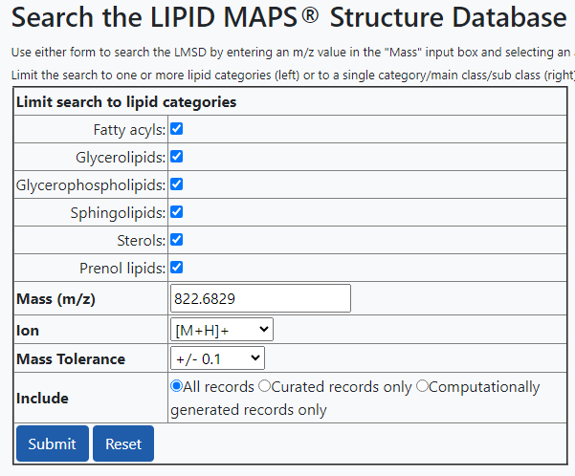
LM_ID | Name | Systematic Name | Input m/z | Exact m/z | Formula | Ion | Status
LMGP01010656 | PC(16:0/23:5(8E,11E,14E,17E,20E)) | 1-hexadecanoyl-2-(8E,11E,14E,17E,20E-tricosapentaenoyl)-sn-glycero-3-phosphocholine | 822.6829 | 822.6007 | C47H85NO8P | M+H | Curated
LMGP01010719 | PC(17:0/22:5(7Z,10Z,13Z,16Z,19Z)) | 1-heptadecanoyl-2-(7Z,10Z,13Z,16Z,19Z-docosapentaenoyl)-sn-glycero-3-phosphocholine | 822.6829 | 822.6007 | C47H85NO8P | M+H | Curated
LMGP01011549 | PC(17:1(9Z)/22:4(7Z,10Z,13Z,16Z)) | 1-(9Z-heptadecenoyl)-2-(7Z,10Z,13Z,16Z-docosatetraenoyl)-glycero-3-phosphocholine | 822.6829 | 822.6007 | C47H85NO8P | M+H | Computationally generated
LMGP01011749 | PC(19:0/20:5(5Z,8Z,11Z,14Z,17Z)) | 1-nonadecanoyl-2-(5Z,8Z,11Z,14Z,17Z-eicosapentaenoyl)-glycero-3-phosphocholine | 822.6829 | 822.6007 | C47H85NO8P | M+H | Computationally generated
LMGP01011779 | PC(19:1(9Z)/20:4(5Z,8Z,11Z,14Z)) | 1-(9Z-nonadecenoyl)-2-(5Z,8Z,11Z,14Z-eicosatetraenoyl)-glycero-3-phosphocholine | 822.6829 | 822.6007 | C47H85NO8P | M+H | Computationally generated
LMGP01011914 | PC(20:4(5Z,8Z,11Z,14Z)/19:1(9Z)) | 1-(5Z,8Z,11Z,14Z-eicosatetraenoyl)-2-(9Z-nonadecenoyl)-glycero-3-phosphocholine | 822.6829 | 822.6007 | C47H85NO8P | M+H | Computationally generated
LMGP01011942 | PC(20:5(5Z,8Z,11Z,14Z,17Z)/19:0) | 1-(5Z,8Z,11Z,14Z,17Z-eicosapentaenoyl)-2-nonadecanoyl-glycero-3-phosphocholine | 822.6829 | 822.6007 | C47H85NO8P | M+H | Computationally generated
LMGP01012075 | PC(22:4(7Z,10Z,13Z,16Z)/17:1(9Z)) | 1-(7Z,10Z,13Z,16Z-docosatetraenoyl)-2-(9Z-heptadecenoyl)-glycero-3-phosphocholine | 822.6829 | 822.6007 | C47H85NO8P | M+H | Computationally generated
LMGP01020107 | PC(O-18:0/22:5(4Z,7Z,10Z,13Z,16Z)) | 1-octadecyl-2-(4Z,7Z,10Z,13Z,16Z-docosapentaenoyl)-sn-glycero-3-phosphocholine | 822.6829 | 822.6371 | C48H89NO7P | M+H | Curated
LMGP01020109 | PC(O-18:0/22:5(7Z,10Z,13Z,16Z,19Z)) | 1-octadecyl-2-(7Z,10Z,13Z,16Z,19Z-docosapentaenoyl)-sn-glycero-3-phosphocholine | 822.6829 | 822.6371 | C48H89NO7P | M+H | Curated
LMGP01020239 | PC(O-20:0/20:5(5Z,8Z,11Z,14Z,17Z)) | 1-eicosyl-2-(5Z,8Z,11Z,14Z,17Z-eicosapentaenoyl)-glycero-3-phosphocholine | 822.6829 | 822.6371 | C48H89NO7P | M+H | Computationally generated
LMGP01020274 | PC(O-20:1(11Z)/20:4(8Z,11Z,14Z,17Z)) | 1-(11Z-eicosenyl)-2-(8Z,11Z,14Z,17Z-eicosatetraenoyl)-sn-glycero-3-phosphocholine | 822.6829 | 822.6371 | C48H89NO7P | M+H | Curated
LMGP01030073 | PC(P-18:0/22:4(7Z,10Z,13Z,16Z)) | 1-(1Z-octadecenyl)-2-(7Z,10Z,13Z,16Z-docosatetraenoyl)-glycero-3-phosphocholine | 822.6829 | 822.6371 | C48H89NO7P | M+H | Computationally generated
LMGP01030097 | PC(P-20:0/20:4(5Z,8Z,11Z,14Z)) | 1-(1Z-eicosenyl)-2-(5Z,8Z,11Z,14Z-eicosatetraenoyl)-glycero-3-phosphocholine | 822.6829 | 822.6371 | C48H89NO7P | M+H | Computationally generated
LMGP02010869 | PE(20:1(11Z)/22:4(7Z,10Z,13Z,16Z)) | 1-(11Z-eicosenoyl)-2-(7Z,10Z,13Z,16Z-docosatetraenoyl)-glycero-3-phosphoethanolamine | 822.6829 | 822.6007 | C47H85NO8P | M+H | Computationally generated
LMGP02010930 | PE(20:3(8Z,11Z,14Z)/22:2(13Z,16Z)) | 1-(8Z,11Z,14Z-eicosatrienoyl)-2-(13Z,16Z-docosadienoyl)-glycero-3-phosphoethanolamine | 822.6829 | 822.6007 | C47H85NO8P | M+H | Computationally generated
LMGP02010958 | PE(20:4(5Z,8Z,11Z,14Z)/22:1(11Z)) | 1-(5Z,8Z,11Z,14Z-eicosatetraenoyl)-2-(11Z-docosenoyl)-glycero-3-phosphoethanolamine | 822.6829 | 822.6007 | C47H85NO8P | M+H | Computationally generated
LMGP02010987 | PE(20:5(5Z,8Z,11Z,14Z,17Z)/22:0) | 1-(5Z,8Z,11Z,14Z,17Z-eicosapentaenoyl)-2-docosanoyl-glycero-3-phosphoethanolamine | 822.6829 | 822.6007 | C47H85NO8P | M+H | Computationally generated
LMGP02011034 | PE(22:0/20:5(5Z,8Z,11Z,14Z,17Z)) | 1-docosanoyl-2-(5Z,8Z,11Z,14Z,17Z-eicosapentaenoyl)-glycero-3-phosphoethanolamine | 822.6829 | 822.6007 | C47H85NO8P | M+H | Computationally generated
LMGP02011063 | PE(22:1(11Z)/20:4(5Z,8Z,11Z,14Z)) | 1-(11Z-docosenoyl)-2-(5Z,8Z,11Z,14Z-eicosatetraenoyl)-glycero-3-phosphoethanolamine | 822.6829 | 822.6007 | C47H85NO8P | M+H | Computationally generated
LMGP02011093 | PE(22:2(13Z,16Z)/20:3(8Z,11Z,14Z)) | 1-(13Z,16Z-docosadienoyl)-2-(8Z,11Z,14Z-eicosatrienoyl)-glycero-3-phosphoethanolamine | 822.6829 | 822.6007 | C47H85NO8P | M+H | Computationally generated
LMGP02011122 | PE(22:4(7Z,10Z,13Z,16Z)/20:1(11Z)) | 1-(7Z,10Z,13Z,16Z-docosatetraenoyl)-2-(11Z-eicosenoyl)-glycero-3-phosphoethanolamine | 822.6829 | 822.6007 | C47H85NO8P | M+H | Computationally generated

Peak 7
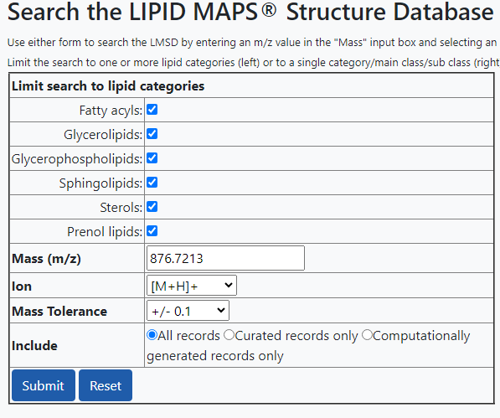
LM_ID | Name | Systematic Name | Input m/z | Exact m/z | Formula | Ion | Status
LMGP01010004 | PC(21:0/22:6(4Z,7Z,10Z,13Z,16Z,19Z)) | 1-heneicosanoyl-2-(4Z,7Z,10Z,13Z,16Z,19Z-docosahexaenoyl)-sn-glycero-3-phosphocholine | 876.7213 | 876.6477 | C51H91NO8P | M+H | Curated
LMGP01012121 | PC(22:6(4Z,7Z,10Z,13Z,16Z,19Z)/21:0) | 1-(4Z,7Z,10Z,13Z,16Z,19Z-docosahexaenoyl)-2-heneicosanoyl-glycero-3-phosphocholine | 876.7213 | 876.6477 | C51H91NO8P | M+H | Computationally generated
LMGP03010716 | PS(22:0/20:0) | 1-docosanoyl-2-eicosanoyl-glycero-3-phosphoserine | 876.7213 | 876.6688 | C48H95NO10P | M+H | Computationally generated
LMGP03010851 | PS(21:0/21:0) | 1,2-diheneicosanoyl-sn-glycero-3-phosphoserine | 876.7213 | 876.6688 | C48H95NO10P | M+H | Computationally generated
LMGP03010946 | PS(20:0/22:0) | 1-eicosanoyl-2-docosanoyl-glycero-3-phosphoserine | 876.7213 | 876.6688 | C48H95NO10P | M+H | Computationally generated

Peak 8
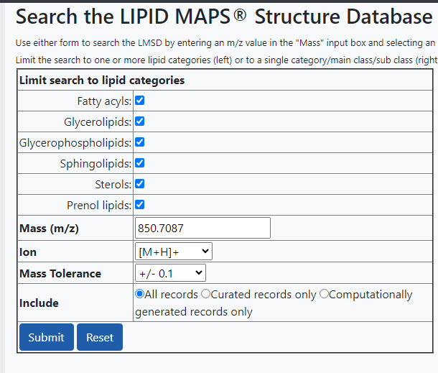
LM_ID | Name | Systematic Name | Input m/z | Exact m/z | Formula | Ion | Status
LMGP01011785 | PC(19:1(9Z)/22:4(7Z,10Z,13Z,16Z)) | 1-(9Z-nonadecenoyl)-2-(7Z,10Z,13Z,16Z-docosatetraenoyl)-glycero-3-phosphocholine | 850.7087 | 850.632 | C49H89NO8P | M+H | Computationally generated
LMGP01011950 | PC(20:5(5Z,8Z,11Z,14Z,17Z)/21:0) | 1-(5Z,8Z,11Z,14Z,17Z-eicosapentaenoyl)-2-heneicosanoyl-glycero-3-phosphocholine | 850.7087 | 850.632 | C49H89NO8P | M+H | Computationally generated
LMGP01011975 | PC(21:0/20:5(5Z,8Z,11Z,14Z,17Z)) | 1-heneicosanoyl-2-(5Z,8Z,11Z,14Z,17Z-eicosapentaenoyl)-glycero-3-phosphocholine | 850.7087 | 850.632 | C49H89NO8P | M+H | Computationally generated
LMGP01012084 | PC(22:4(7Z,10Z,13Z,16Z)/19:1(9Z)) | 1-(7Z,10Z,13Z,16Z-docosatetraenoyl)-2-(9Z-nonadecenoyl)-glycero-3-phosphocholine | 850.7087 | 850.632 | C49H89NO8P | M+H | Computationally generated
LMGP01030103 | PC(P-20:0/22:4(7Z,10Z,13Z,16Z)) | 1-(1Z-eicosenyl)-2-(7Z,10Z,13Z,16Z-docosatetraenoyl)-glycero-3-phosphocholine | 850.7087 | 850.6684 | C50H93NO7P | M+H | Computationally generated
LMGP02011069 | PE(22:1(11Z)/22:4(7Z,10Z,13Z,16Z)) | 1-(11Z-docosenoyl)-2-(7Z,10Z,13Z,16Z-docosatetraenoyl)-glycero-3-phosphoethanolamine | 850.7087 | 850.632 | C49H89NO8P | M+H | Computationally generated
LMGP02011129 | PE(22:4(7Z,10Z,13Z,16Z)/22:1(11Z)) | 1-(7Z,10Z,13Z,16Z-docosatetraenoyl)-2-(11Z-docosenoyl)-glycero-3-phosphoethanolamine | 850.7087 | 850.632 | C49H89NO8P | M+H | Computationally generated
LMSP05010174 | Renieroside A2 | N-(2R-hydroxy-17Z-hexacosenoyl)-1-beta-D-glucosyl-sphing-4E,8E,10E-trienine | 850.7087 | 850.6767 | C50H92NO9 | M+H | Curated

